Quality
Apparel - FQC Defect Rate Finished Goods
(Defective Units / Units Inspected) × 100
 | MONTH SEP'26 |  |  |  |  |  |  |  | YTD'26
BU | Qty prod | Sample size | Check Rate | Defective units | FQC Rej % | TARGET | +/- Vs trgt |  | Qty prod | Sample size | Check Rate | Defective units | FQC Rej % | % Yiled FQR | TARGET | % Var. Vs trgt | FY'25 | % Var. Vs PY | # Opportunities | # Defects | DPU | DPR | Throughput Yield TPY | DPO | DPMO | Process Sigma level | DPMU (ppm) | Class | Rolled-throughput Yield RTY
Safety | 3,595 | 5,503 | 153.1% | 209 | 3.8% | 3.5% | 0.3% |  | 22,932 | 25,537 | 111.4% | 1,886 | 7.4% | 92.6% | 3.5% | 111.0% | 5.4% | 37% | 6 | 2,080 | 0.0815 | 1.1 | 91.85% | 0.0136 | 13,575 | 3.7 | 73,854 | GOLD
Leather | 1,584 | 1,529 | 96.5% | 226 | 14.8% | 7.5% | 7.3% |  | 11,435 | 11,443 | 100.1% | 1,236 | 10.8% | 89.2% | 7.5% | 44.0% | 6.1% | 77% | 6 | 1,491 | 0.1303 | 1.2 | 86.97% | 0.0217 | 21,716 | 3.5 | 108,014 | BRONZE
D|air | 975 | 975 | 100.0% | 9 | 0.9% | 0.5% | 0.4% |  | 8,148 | 8,148 | 100.0% | 147 | 1.8% | 98.2% | 0.5% | 260.8% | 0.1% | 1223% | 6 | 147 | 0.0180 | 1.0 | 98.20% | 0.0030 | 3,007 | 4.2 | 18,041 | PLATINUM
MEL-T | 6,154 | 8,007 | 130.1% | 444 | 5.5% | 3.8% | 1.7% |  | 42,515 | 45,128 | 106.1% | 3,269 | 7.2% | 92.8% | 3.8% | 89.0% | 4.3% | 67% | 6 | 3,718 | 0.0824 | 1.1 | 91.76% | 0.0137 | 13,731 | 3.7 | 72,438 | GOLD | 78%
* The results of the D|air plant refer to the airbag sac (test sac 100%) ** Leather refer only to the Finished Goods

BU | Sep-25 | Oct-25 | Nov-25 | Dec-25 | Jan-26 | Feb-26 | Mar-26 | Apr-26 | May-26 | Jun-26 | Jul-26 | Aug-26 | Sep-26
Safety | 4.9% | 7.2% | 4.3% | 4.4% | 5.5% | 7.2% | 10.2% | 9.2% | 5.9% | 11.4% | 12.8% | 5.8% | 3.8%
Leather | 5.1% | 7.0% | 8.2% | 12.5% | 12.7% | 8.9% | 7.6% | 8.6% | 12.8% | 10.2% | 9.8% | 10.3% | 14.8%
D|air | 0.2% | 0.2% | 0.3% | 0.1% | 0.0% | 0.0% | 0.0% | 0.0% | 6.8% | 6.5% | 0.3% | 1.3% | 0.9%
MEL-T | 4.1% | 5.3% | 4.2% | 4.9% | 6.8% | 6.3% | 7.7% | 6.6% | 8.1% | 9.6% | 9.5% | 6.1% | 5.5%
* The results of the BU D|air refer to the Airbag Sac

Apparel - OQC Defect Rate Finished goods
(Defective Units / Units Inspected) × 100
 | MONTH SEP'26 |  |  |  |  |  |  |  | YTD'26
BU | Qty prod | Sample size | Check Rate | Defective units | OQC Rej % | TARGET | +/- Vs trgt |  | Qty prod | Sample size | Check Rate | Defective units | OQC Rej % | % Yiled OQR | TARGET | % Var. Vs trgt | FY'25 | % Var. Vs PY | # Opportunities | # Defects | DPU | DPR | Throughput Yield | DPO | DPMO | Process Sigma level | DPMU (ppm) | Class | Rolled-throughput Yield RTY
Safety | 3,595 | 402 | 11.2% | 1 | 0.2% | 1.5% | (1.3%) |  | 22,932 | 5,275 | 23.0% | 48 | 0.9% | 99.1% | 1.5% | (39.3%) | 1.4% | (37%) | 7 | 51 | 0.0097 | 1.1 | 99.03% | 0.0014 | 1,381 | 4.5 | 9,100 | PLATINUM
Leather | 1,584 | 358 | 22.6% | 0 | 0.0% | 1.5% | (1.5%) |  | 11,435 | 3,759 | 32.9% | 17 | 0.5% | 99.5% | 1.5% | (69.9%) | 1.1% | (58%) | 7 | 18 | 0.0048 | 1.1 | 99.52% | 0.0007 | 684 | 4.7 | 4,522 | PLATINUM
D|air | 1,017 | 507 | 49.9% | 6 | 1.2% | 0.5% | 0.7% |  | 9,791 | 2,846 | 29.1% | 16 | 0.6% | 99.4% | 0.5% | 12.4% | 0.6% | (13%) | 7 | 16 | 0.0056 | 1.0 | 99.44% | 0.0008 | 803 | 4.7 | 5,622 | PLATINUM
MEL-T | 6,196 | 1,267 | 20.4% | 7 | 0.6% | 1.2% | (0.6%) |  | 44,158 | 11,880 | 26.9% | 81 | 0.7% | 99.3% | 1.2% | (41.6%) | 1.1% | (41%) | 7 | 85 | 0.0072 | 1.0 | 99.28% | 0.0010 | 1,022 | 4.6 | 6,818 | PLATINUM | 98%
* The results of the BU refer to the Finished Goods

BU | Sep-25 | Oct-25 | Nov-25 | Dec-25 | Jan-26 | Feb-26 | Mar-26 | Apr-26 | May-26 | Jun-26 | Jul-26 | Aug-26 | Sep-26
Safety | 1.3% | 2.4% | 2.6% | 0.2% | 1.8% | 0.8% | 1.0% | 1.3% | 0.1% | 1.4% | 0.9% | 0.0% | 0.2%
Leather | 1.4% | 0.1% | 1.6% | 2.3% | 0.0% | 1.8% | 0.3% | 0.2% | 0.7% | 0.4% | 0.2% | 1.0% | 0.0%
D|air | 0.0% | 0.8% | 0.0% | 0.0% | 0.8% | 0.0% | 0.0% | 1.3% | 0.4% | 0.6% | 0.4% | 0.0% | 1.2%
MEL-T | 1.1% | 1.4% | 2.0% | 0.7% | 1.0% | 0.9% | 0.6% | 0.9% | 0.3% | 0.8% | 0.5% | 0.3% | 0.6%

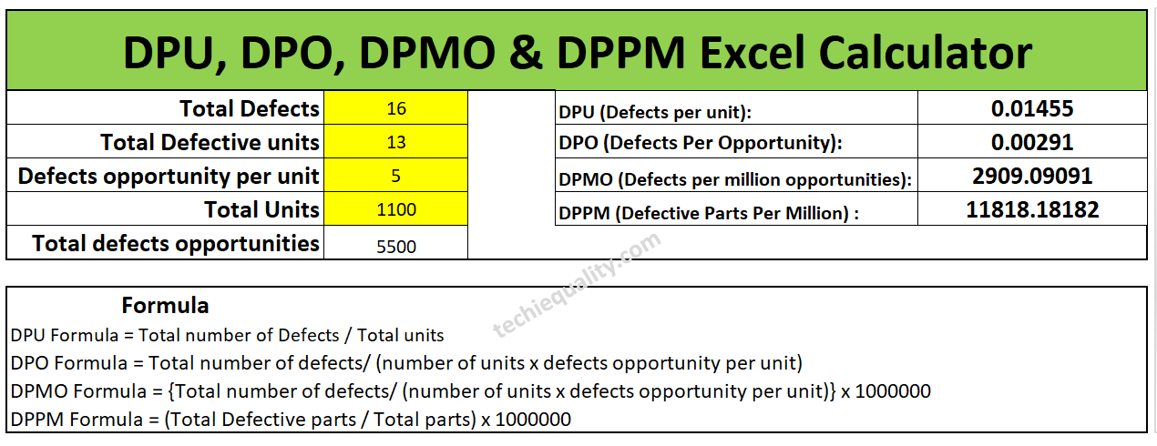

Further definitions:
Defects and units are fairly straightforward but some folks struggle with the number of opportunities. The number of opportunities is based on how you choose to count defects. Here are some examples:
One opportunity: an item is either wrong or right, good or bad.
Two opportunities: A package could have the wrong product or the wrong # products in it.
Example of three opportunities: a shirt you order could be the wrong: size, style or color.

Six Sigma Table: |  |  | 1 | 690,000
 |  |  | 2 | 308,000
 |  |  | 3 | 66,800
 |  |  | 4 | 6,210
 |  |  | 5 | 320
 |  |  | 6 | 3.4
Six Sigma Ratings (σ)
1 Sigma = 691,462 DPMO, 30.85% defect-free
2 Sigma = 308,538 DPMO, 69.146% defect-free
3 Sigma = 66,807 DPMO, 93.319% defect-free
4 Sigma = 6,210 DPMO, 99.379% defect-free
5 Sigma = 233 DPMO, 99.977% defect-free
6 Sigma = 3.4 DPMO, 99.99966% defect-free.

Class | DPMO |  |  | Typical FPY Benchmarks (General Guidance)
PLATINUM | < 6.000
GOLD | < 15.000 |  |  | FPY Level | Meaning
SILVER | < 20.000 |  |  | < 85% | Poor – urgent improvement needed
BRONZE | > 20.000 |  |  | 85–95% | Acceptable but improvable
 |  |  |  | > 95% | Excellent
 |  |  |  | ≥ 99% | World‑class

